Photosynthetic Rate Reduct Plot
 | Unpecified Cultivar (Treated with microrhizal fungi) |  | Apache |  | Riverside |  | SVA1 |  | SVA2
0 | 7 | 0.8 | 5.2 | 0.8 | 5.3 | 0.8 | 5.2 | 0.8 | 4.3
20 | 6 | 25 | 3.7 | 25 | 4.3 | 25 | 4.7 | 25 | 4
25 | 5.1 | 30 | 2.6 | 30 | 3.7 | 30 | 3.9 | 30 | 2.7
30 | 4.8 | 35 | 1.8 | 35 | 3.7 | 35 | 2.9 | 35 | 2.6
35 | 4

Photosynthetic Pct Reduct
 | Unpecified Cultivar (Treated with microrhizal fungi) |  | Apache |  | Riverside |  | SVA1 |  | SVA2 |  | Average From Campos-Villareal
0 | 0.000 | 0.8 | 0.000 | 0.8 | 0.000 | 0.8 | 0.000 | 0.8 | 0.000 | 0.8 | 0.000
20 | 0.143 | 25 | 0.288 | 25 | 0.189 | 25 | 0.096 | 25 | 0.070 | 25 | 0.237
25 | 0.271 | 30 | 0.500 | 30 | 0.302 | 30 | 0.250 | 30 | 0.372 | 30 | 0.469
30 | 0.314 | 35 | 0.654 | 35 | 0.302 | 35 | 0.442 | 35 | 0.395 | 35 | 0.631
35 | 0.429

Stomatal Conductance Reduc Plot
 | Unpecified Cultivar (Treated with microrhizal fungi) |  | Apache |  | Riverside |  | SVA1 |  | SVA2
0 | 0.08 | 0.8 | 0.0212 | 0.8 | 0.0333 | 0.8 | 0.0179 | 0.8 | 0.0336
20 | 0.08 | 25 | 0.0285 | 25 | 0.0149 | 25 | 0.0141 | 25 | 0.0275
25 | 0.07 | 30 | 0.0181 | 30 | 0.0083 | 30 | 0.0097 | 30 | 0.0161
30 | 0.05 | 35 | 0.0099 | 35 | 0.0072 | 35 | 0.0063 | 35 | 0.0148
35 | 0.05

Dry Weight
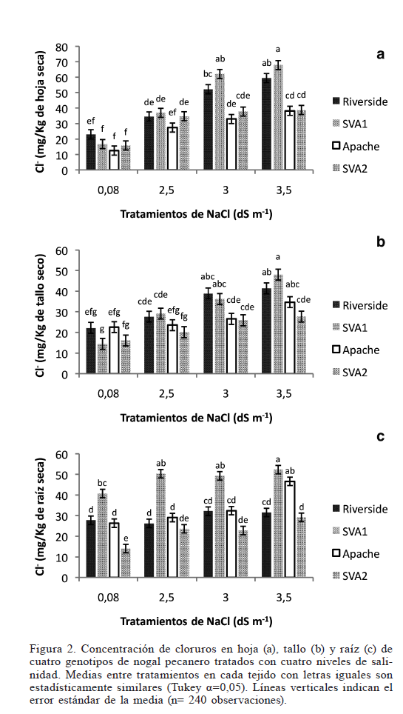
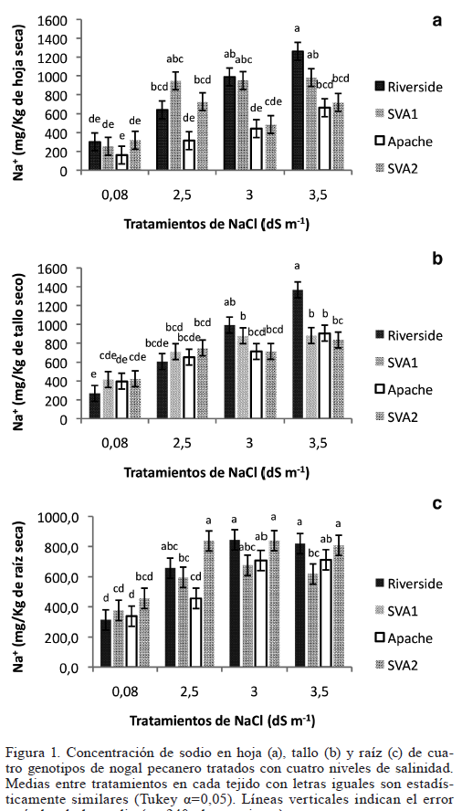
 | Leaf Dry Weight per Area taken From:
 | Biological and Practical Importanceof Light Microenvironments in aTree: Participatory Research to Match Teaching and Learning Styles
 | G. A. Picchioni, S. A. Weinbaum,D. L. Daniel, and H. Karaca
 | 2000

 |  | Specific Leaf Weight (mg/cm2) | Leaf Area in Model - From Average Lab measurement(cm2) | Leaf Weight (kg) | Storage Volume Leaf (model) per Leaf Area (m) | Storage Volume Leaf (model) (m3)
 | Inner Canopy | 5.9
 | Outer Canopy | 9.2
 | Average | 7.6 | 80 | 0.000604 | 0.0000504 | 4.032E-07

 | Leaf Mass Concentrations from Campos-Villareal et. al, 2017

 | Soil NaCl Concentration (mM) | NaCl in Leaf (mg/kg) | NaCl in Leaf (Model Target) (mg) | NaCl in Leaf (Model Target) (mol) | Leaf Concentration NaCl after 48 days (mM)
Max | 0.8 | 420 | 0.25368 | 4.3438356164E-06 | 11
Min | 0.8 | 180 | 0.10872 | 1.8616438356E-06 | 5
Max | 25 | 950 | 0.5738 | 9.8253424658E-06 | 24
Min | 25 | 370 | 0.22348 | 3.8267123288E-06 | 9
Max | 30 | 1060 | 0.64024 | 1.0963013699E-05 | 27
Min | 30 | 490 | 0.29596 | 5.0678082192E-06 | 13
Max | 35 | 1350 | 0.8154 | 1.3962328767E-05 | 35
Min | 35 | 750 | 0.453 | 7.7568493151E-06 | 19

